Stage 2
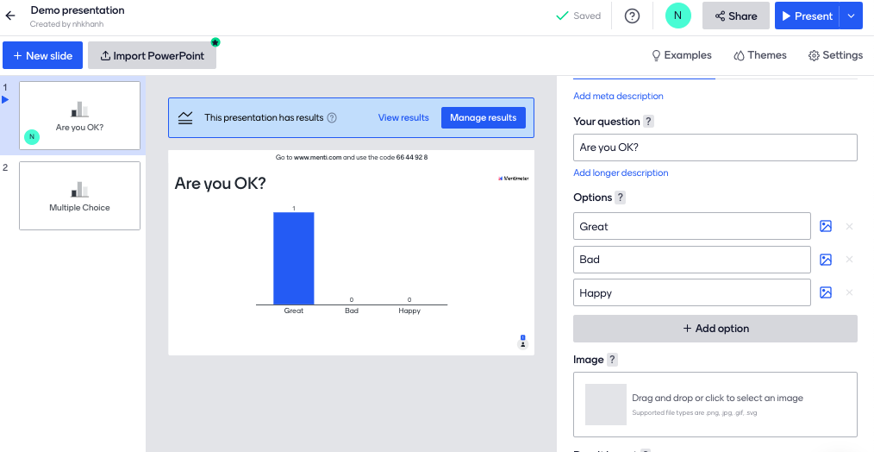
Description |  |  | Points
Presentation
 | List presentations |  | 1
 | Create a new presentation |  | 1
 | Delete a presentation |  | 1
 | Edit a presentation |  | 1.5
Slide
 | Create/Edit a Multiple Choice Slide |  | 1
 | Delete a slide |  | 1
Present a Multiple Choice Slide
 | View for the host
 |  | Show realtime results | 1.5
 | View for members (authenticated members or anonymous)
 |  | Show realtime results and select options | 1
Deploy to a public host |  |  | 1

Libs | Chart | https://recharts.org/en-US/
 | Realtime | https://socket.io/how-to/use-with-react-hooks | https://dev.to/bravemaster619/how-to-use-socket-io-client-correctly-in-react-app-o65

